Recipe

 |  |  |  | 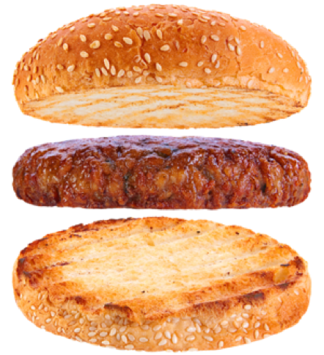

Beef Burger Economy |  |  |  |  |  |  |  |  |  | Cost Control
www.fiRecipes.com/BeefBurger
change these values according to your requirements |  |  |  |  |  |  |  |  |  | change these values according to your prices
Total Meat |  |  |  |  |  | 100.00% |  | 100.000 | kg | Price / kg |  | Cost in Recipe
Beef Trimmings |  |  |  | - 75 % vl |  | 100.00% | 100.000 |  | kg | 4.00 | EUR | 400.00 | EUR
Water / Flaked Ice |  |  |  |  |  | 25.00% | 25.000 |  | kg | 0.01 | EUR | 0.25 | EUR
Total Meat + Water |  |  |  |  |  | 125.00% |  | 125.000 | kg | ø 3,202 | EUR | 400.25 | EUR
Item # |  | ↓ | friedrich ingredients® |  |  | Quantity |  |  |  | *Price / kg |  | Cost in Recipe |  | Salt content:
10,334 |  | 📌 | Western Burger |  |  | 1.00% |  | 1.250 | kg | 7.90 | EUR | 9.88 | EUR |  | kg
11,015 |  | 📌 | AGAGEL® 500 |  |  | 3.00% |  | 3.750 | kg | 7.10 | EUR | 26.63 | EUR |  | kg
 |  |  | Table Salt |  |  | 0.26% |  | 0.330 | kg | 0.07 | EUR | 0.02 | EUR
40,025 |  | 📌 | Onion 3-5 mm [minced] | Optional | → | don't use | ← | 0.000 | kg | 5.15 | EUR | 0.00 | EUR |  | kg
51,007 |  | 📌 | BouillonMaxx Beef [MSG-free] | Optional Flavour | → | don't use | ← | 0.000 | kg | 9.45 | EUR | 0.00 | EUR |  | kg
11,146 |  | 📌 | RoMaxx MB liquid | Optional Antioxidant | → | don't use | ← | 0.000 | kg | 9.90 | EUR | 0.00 | EUR |  | kg
Total Ingredients: |  |  |  |  |  | 4.26% |  | 5.330 | kg | ø 6,854 | EUR | 36.53 | EUR | Total: | kg
→ Total Recipe Weight & Cost: |  |  |  |  |  | 130.330 |  |  | kg | 3.35 | € / kg | 436.78 | EUR | Relative:

Item # |  | ↓ | Casing and fiSundries Recommendations |  |  |  |  |  |  | *Cost Control Remark
88,081 |  | 📌 | Meat Mincer TGR-103 COOL by Delitech | Table-Top Mincer for Butcher Shops and Startups |  |  |  |  |  | The ingredient prices used for this recipe reflect the minimum order quantity (MOQ). Prices will never be higher, but will reduce according to the order quantities. For details, check the direct link marked with the pin-icon which can be found between the item # and the item name of each ingredient.
89,034 |  | 📌 | OSCAR 20 Hydraulic Stuffer by Frey | Sausage stuffer, burger former, Kebap Maker
88,003 |  | 📌 | OSCAR 20 Burger Head BH4 Starter Kit | Accessory Kit for Frey's Hydraulic Stuffer
89,061 |  | 📌 | Burger Press Aluminium | 125 mm ø
89,053 |  | 📌 | Vacuum Packaging Machine J 42 XXL | Table-Top Vacuum System by Delitech
 |  | 📌 | Find 200+ Sundries & Supply products online to add to your ingredient order.

1. Meat Preparation
- | Pre-soak the Onions with Water (1 : 5).
- | Mince the slightly frozen Meat through a 3 - 5 mm plate.
 | Pro Tip: Add 1% of cold water to the mix before mincing. This will make your burger jucier.

2. Mixing
- | Place the mixed Meat and all ingredients into a Mixer and mix well.
- | Add the Iced Water and continue mixing for 5 min, or until all water is absorbed.

Final temperature: < 0 °C!

3. Forming & Freezing
- | Form into patties with a Burger Press Aluminium, or a Burger former like OSCAR 20.
- | Shock freeze to - 30 °C.

4. Packing and Storing
- | Vacuum-pack your Burger Patties.
- | Store at - 18 °C before grilling or shipping.

