Recipe
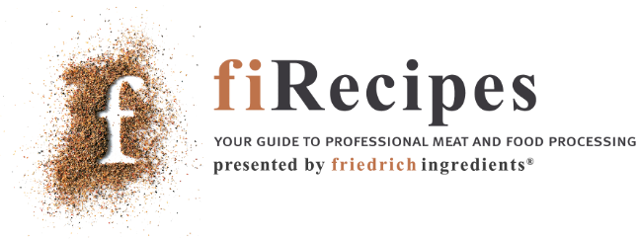
 |  |  |  |  | 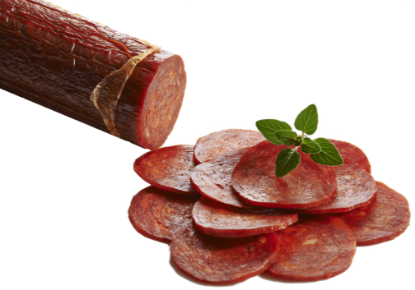

Beef Pepperoni Standard - cooked |  |  |  |  |  |  |  |  |  |  | Cost Control
www.fiRecipes.com/CookedBeefPepperoni
change these values according to your requirements |  |  |  |  |  |  |  |  |  |  | change these values according to your prices
Total Meat |  |  |  |  |  |  | 100.00% |  | 100.000 | kg | Price / kg |  | Cost in Recipe
Beef Forequarter [- 6 °C processing temperature] |  |  |  |  | - 85 % vl |  | 40.00% | 40.000 |  | kg | 6.00 | EUR | 240.00 | EUR
Beef Trimmings [- 6 °C processing temperature] |  |  |  |  | - 85 % vl |  | 40.00% | 40.000 |  | kg | 4.00 | EUR | 160.00 | EUR
Beef Fat [- 6 °C processing temperature] |  |  |  |  |  |  | 20.00% | 20.000 |  | kg | 3.00 | EUR | 60.00 | EUR
Water / Flaked Ice |  |  |  |  |  |  | 25.00% | 25.000 |  | kg | 0.01 | EUR | 0.25 | EUR
Total Meat + Water |  |  |  |  |  |  | 125.00% | 125.000 |  | kg | ø 3,682 | EUR | 460.25 | EUR
Item # |  | ↓ | friedrich ingredients® |  |  |  | Quantity |  |  |  | *Price / kg |  | Cost in Recipe |  | Salt content:
10,055 |  | 📌 | Pepperoni |  |  |  | 2.00% |  | 2.500 | kg | 9.90 | EUR | 24.75 | EUR |  | kg
11,022 |  | 📌 | AGAGEL® 220 |  |  |  | 0.50% |  | 0.630 | kg | 10.50 | EUR | 6.62 | EUR |  | kg
50,012 |  | 📌 | Meister KutMaxx Pro |  |  |  | 0.20% |  | 0.250 | kg | 9.90 | EUR | 2.48 | EUR |  | kg
11,049 |  | 📌 | Curing Salt [Nitrite pickling salt] |  |  |  | 1.33% |  | 1.660 | kg | 0.70 | EUR | 1.16 | EUR
40,087 |  | 📌 | Garlic granulate 0.5-1 mm |  |  | → | don't use | ← | 0.000 | kg | 6.85 | EUR | 0.00 | EUR |  | kg
40,015 |  | 📌 | Chillies Powder [Cayenne Pepper] |  |  | → | don't use | ← | 0.000 | kg | 4.80 | EUR | 0.00 | EUR |  | kg
11,146 |  | 📌 | RoMaxx MB liquid |  | Optional Antioxidant | → | don't use | ← | 0.000 | kg | 9.90 | EUR | 0.00 | EUR |  | kg
Total Ingredients: |  |  |  |  |  |  | 4.03% |  | 5.040 | kg | ø 6,946 | EUR | 35.01 | EUR | Total: | kg
→ Total Recipe Weight & Cost: |  |  |  |  |  |  | 130.040 |  |  | kg | 3.81 | € / kg | 495.26 | EUR | Relative:

Item # |  | ↓ | Casing and fiSundries Recommendations |  |  |  |  |  |  |  | *Cost Control Remark
64,100 |  | 📌 | Fibrous Casings by ViskoTeepak |  | For Sausage and Cured Meat Manufacturing |  |  |  |  |  | The ingredient prices used for this recipe reflect the minimum order quantity (MOQ). Prices will never be higher, but will reduce according to the order quantities. For details, check the direct link marked with the pin-icon which can be found between the item # and the item name of each ingredient.
88,081 |  | 📌 | Meat Mincer TGR-103 COOL by Delitech |  | Table-Top Mincer for Butcher Shops and Startups
89,039 |  | 📌 | Bowl Cutter BC 410 by Delitech [40 ltr] |  | High speed cutting with 6-knife assembly
89,025 |  | 📌 | Smoke Trolley, H-shaped, 6 Levels |  | Premium Smoke Trolley with 6 levels
66,005 |  | 📌 | Wood Chips / Saw Dust HBK 750-2000 |  | 0.75-3 mm Beechwood Sawdust
89,022 |  | 📌 | Charging Trolley 300 litres |  | CNS 18/8 premium quality
 |  | 📌 | Find 200+ Sundries & Supply products online to add to your ingredient order.

1. Meat Preparation - mincing
- | Mince the Beef Trimmings through a 5 mm plate at a temperature of - 6 °C.
- | Mince the Beef Fat through a 3 mm plate at a temperature of - 6 °C.
- | Place the Minced Beef and Fat into Bowl Cutter.

2. Bowl Chopping
- | Start Bowl Cutter in reverse gear. Alternatively, you may use a Tumbler, Mixer, or Paddle-Mixer
 |  |  | Add | Time | Speed
 | 1st |  | All ingredients | 5 min. | low, reverse
 | 2nd |  | Water (slowly) | Until mass shows binding | low, reverse

3. Filling
- | Remove from Bowl Cutter and fill immediately into Fibrous Casings Regular. Cal. 60 is recommended.
- | Place the uncooked sausages into Cooking House.

4. Cooking

 |  |  | Setting | Air quality | Time
 | 1st |  | Redden | 50 °C, 60% RH, low ventilation | 30 - 45 min
 | 2nd |  | Dry | 55 °C | 45 min
 | 3rd |  | Hot Smoke | 65 °C | 35 min
 | 4th |  | Steam Cook | 78 °C | until core temperature reaches 72 - 75 °C
 | 5th |  | Shower | Cold Water | 20 min.
 | 6th |  | Chill | 2 °C | > 12 hours
 | 7th |  | Dry | 25 °C | 30 min
 | 8th |  | Cold Smoke | 20 °C | 30 min
 | 9th |  | Dry | 20 °C | 15 min
 | 10th |  | Mature | Room temperature | 24 - 48 hours

This will give a fully cooked product

5. Chilling and packing
- | Chill to < 4 °C
- | Slice or pack. Best temperature for slicing is 2 °C
Remarks
1 |  | 📌 | Instead of adding ready-to-use Curing Salt, a 10 x concentrated version is available, CURE MIX 10. For details, check online.

