Recipe

 |  |  |  |  |  | 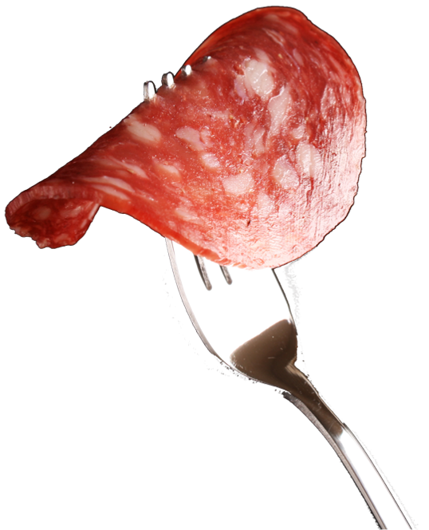

Beef Salami Economy |  |  |  |  |  |  |  |  |  |  |  | Cost Control
www.fiRecipes.com/FermentedBeefSalami
change these values according to your requirements |  |  |  |  |  |  |  |  |  |  |  | change these values according to your prices
Total Meat |  |  |  |  |  |  |  | 100.00% |  | 100.000 | kg | Price / kg |  | Cost in Recipe
Beef Forequarter [- 6 °C processing temperature] |  |  |  |  |  | - 80 % vl |  | 60.00% | 60.000 |  | kg | 6.00 | EUR | 360.00 | EUR
Beef Flank [- 6 °C processing temperature] |  |  |  |  |  | - 70 % vl |  | 30.00% | 30.000 |  | kg | 5.00 | EUR | 150.00 | EUR
Beef Fat [- 6 °C processing temperature] |  |  |  |  |  |  |  | 10.00% | 10.000 |  | kg | 3.00 | EUR | 30.00 | EUR
TVP [Texturized Vegetable Protein] |  |  |  |  |  | Choose 0 % - 10 % | → | 10.00% | ← | 10.000 | kg | 1.00 | EUR | 10.00 | EUR
Cold Water |  |  |  |  |  |  |  | 10.00% |  | 10.000 | kg | 0.01 | EUR | 0.10 | EUR
Meat + TVP + Water |  |  |  |  |  |  |  | 120.00% | 120.000 |  | kg | ø 4,584 | EUR | 550.10 | EUR
Item # |  | ↓ | friedrich ingredients® |  |  |  |  | Quantity |  |  |  | *Price / kg |  | Cost in Recipe |  | Salt content:
10,059 |  | 📌 | Salami Rapido |  |  |  |  | 1.20% |  | 1.440 | kg | 9.90 | EUR | 14.26 | EUR |  | kg
40,070 |  | 📌 | Mustard Powder |  |  |  |  | 1.00% |  | 1.200 | kg | 3.50 | EUR | 4.20 | EUR |  | kg
50,003 |  | 📌 | Meister Fixrot |  |  |  |  | 0.20% |  | 0.240 | kg | 8.90 | EUR | 2.14 | EUR |  | kg
10,066 |  | 📌 | Dextrose Monohydrate |  |  |  |  | 0.50% |  | 0.600 | kg | 1.90 | EUR | 1.14 | EUR |  | kg
 |  |  | Table Salt |  |  | mix together |  | 2.25% |  | 2.698 | kg | 0.07 | EUR | 0.19 | EUR
11,004 |  | 📌 | CURE MIX 10 |  |  |  |  | 0.12% |  | 0.142 | kg | 3.55 | EUR | 0.50 | EUR
40,022 |  | 📌 | Paprika 40,000 [liquid] |  |  | Optional | → | low | ← | 0.240 | kg | 24.00 | EUR | 5.76 | EUR |  | kg
11,146 |  | 📌 | RoMaxx MB liquid |  |  | Optional Antioxidant | → | use | ← | 0.240 | kg | 9.90 | EUR | 2.38 | EUR |  | kg
Total Ingredients: |  |  |  |  |  |  |  | 5.47% |  | 6.800 | kg | ø 4,496 | EUR | 30.57 | EUR | Total: | kg
→ Total Recipe Weight & Cost: |  |  |  |  |  |  |  | 126.800 |  |  | kg | 4.58 | € / kg | 580.67 | EUR | Relative:

Item # |  | ↓ | Casing and fiSundries Recommendations |  |  |  |  |  |  |  |  | *Cost Control Remark
64,100 |  | 📌 | Fibrous Casings by ViskoTeepak |  |  | For Sausage and Cured Meat Manufacturing |  |  |  |  |  | The ingredient prices used for this recipe reflect the minimum order quantity (MOQ). Prices will never be higher, but will reduce according to the order quantities. For details, check the direct link marked with the pin-icon which can be found between the item # and the item name of each ingredient.
88,081 |  | 📌 | Meat Mincer TGR-103 COOL by Delitech |  |  | Table-Top Mincer for Butcher Shops and Startups
89,025 |  | 📌 | Smoke Trolley, H-shaped, 6 Levels |  |  | Premium Smoke Trolley with 6 levels
89,022 |  | 📌 | Charging Trolley 300 litres |  |  | CNS 18/8 premium quality
 |  | 📌 | Find 200+ Sundries & Supply products online to add to your ingredient order.

1. TVP Soaking
- | Soak the TVP in the Water for min. 30 minutes.
- | Store cold until further processing.

2. Salt Blending
- | Mix the CURE MIX 10 and the Table Salt together (Ratio 1:19 for 0.5% nitrite content).
- | Set the blended salt aside for further processing.

3. Meat Preparation
- | Mince the Beef through a 13 - 20 mm plate, at - 6 °C.
- | Move the minced mass to Mixer.

4. Mixing - Mincing - Mixing
- | Add all remaining ingredients, the soaked TVP, and the blended salt into the Mixer.
- | Mix for a short while until proper distribution is achieved.

- | Remove the mass from the Mixer and transfer to Mincer.
- | Mince the mass through a 4 mm plate, and transfer back to Mixer.

- | Mix the minced mass until achieving slight tackiness / binding.
- | Remove the mass from the Mixer and transfer to Filling Machine.

The ideal temperature at the end of this process is - 2 °C to 0 °C.

5. Filling
- | Stuff the Salami mass immediately into Fibrous Casings Cling. Cal 60 is recommended.
- | Place the filled sausages onto a smoke trolley and move into Smoke House.

6. Fermentation & Drying
- | Keep the sausages in the Smoke House for 4 - 5 days at 20 °C.
 | During this time, controlled climate is not necessary. We recommend to keep the Smoke House closed.
 | Add humidity occasionally by spaying water onto the Smoke House floor.

- | On the third day, proceed as follows:
 | Setting |  |  | Temperature | Time
 | Dry |  |  | 50 °C | 2 hours
 | Dry |  |  | 55 °C | 3 hours
 | Dry |  |  | 60 °C | Until approx. 15 % loss of moisture

