Recipe

 |  |  |  | 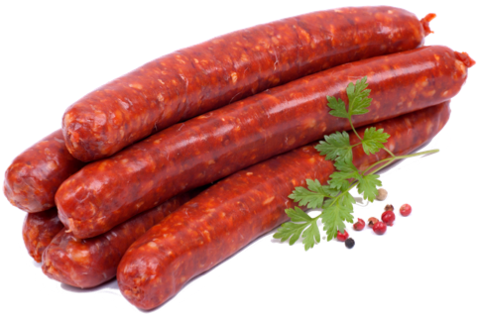

Lamb Merguez Premium - fresh |  |  |  |  |  |  |  |  |  | Cost Control
www.fiRecipes.com/LambMerguezFresh
change these values according to your requirements |  |  |  |  |  |  |  |  |  | change these values according to your prices
Total Meat |  |  |  |  |  | 100.00% |  | 100.000 | kg | Price / kg |  | Cost in Recipe
Lamb Forequarter |  |  |  | - 90 % vl |  | 100.00% | 100.000 |  | kg | 9.00 | EUR | 900.00 | EUR
Water / Flaked Ice |  |  |  |  |  | 15.00% | 15.000 |  | kg | 0.01 | EUR | 0.15 | EUR
Total Meat + Water |  |  |  |  |  | 115.00% |  | 115.000 | kg | ø 7,827 | EUR | 900.15 | EUR
Item # |  | ↓ | friedrich ingredients® |  |  | Quantity |  |  |  | *Price / kg |  | Cost in Recipe |  | Salt content:
55,053 |  | 📌 | Merguez Classic |  |  | 3.50% |  | 4.030 | kg | 9.90 | EUR | 39.90 | EUR |  | kg
11,015 |  | 📌 | AGAGEL® 500 |  |  | 1.00% |  | 1.150 | kg | 6.80 | EUR | 7.82 | EUR |  | kg
50,003 |  | 📌 | Meister Fixrot |  |  | 0.20% |  | 0.230 | kg | 8.90 | EUR | 2.05 | EUR |  | kg
11,049 |  | 📌 | Curing Salt [Nitrite pickling salt] |  |  | 0.34% |  | 0.390 | kg | 0.70 | EUR | 0.27 | EUR
10,007 |  | 📌 | BouillonMaxx Beef | Opional | → | don't use | ← | 0.000 | kg | 6.40 | EUR | 0.00 | EUR |  | kg
10,044 |  | 📌 | Hot Seasoning | As desired | → | zero | ← | 0.000 | kg | 12.10 | EUR | 0.00 | EUR |  | kg
11,146 |  | 📌 | RoMaxx MB liquid | Optional Antioxidant | → | don't use | ← | 0.000 | kg | 9.90 | EUR | 0.00 | EUR |  | kg
Total Ingredients: |  |  |  |  |  | 5.04% |  | 5.800 | kg | ø 8,628 | EUR | 50.04 | EUR | Total: | kg
→ Total Recipe Weight & Cost: |  |  |  |  |  | 120.800 |  |  | kg | 7.87 | € / kg | 950.19 | EUR | Relative:

Item # |  | ↓ | Casing and fiSundries Recommendations |  |  |  |  |  |  | *Cost Control Remark
64,060 |  | 📌 | Collagen Casings [edible] | for Grill and Bratwurst type sausages |  |  |  |  |  | The ingredient prices used for this recipe reflect the minimum order quantity (MOQ). Prices will never be higher, but will reduce according to the order quantities. For details, check the direct link marked with the pin-icon which can be found between the item # and the item name of each ingredient.
88,081 |  | 📌 | Meat Mincer TGR-103 COOL by Delitech | Table-Top Mincer for Butcher Shops and Startups
89,022 |  | 📌 | Charging Trolley 300 litres | CNS 18/8 premium quality
81,070 |  | 📌 | Grillsausage Slicer | Stainless steel manual sausage cutter
89,053 |  | 📌 | Vacuum Packaging Machine J 42 XXL by Delitech | Table-Top Vacuum System Max. pouch size: 400 x 550 mm

 |  | 📌 | Find 200+ Sundries & Supply products online to add to your ingredient order.

1. Meat Preparation
- | Mince the slightly frozen Meat through a 3 - 5 mm plate.

2. Mixing
- | Place the minced Meat and all ingredients into the mixer.
- | Mix thouroughly until all ingredients are well absorbed.
- | Now add the Iced Water.
- | Mix for approximately 10 min. or until all Water is well absorbed. Final temperature < 2 °C.

Make sure that the mass does 2 °C during the mixing process.

3. Filling
- | Fill into Collagen Casings. Cal 22/24 is recommended.
- | Link as desired. Traditionally, 80g - 120g are recommended.

4. Freezing and Packing
- | Sell fresh or freeze to - 18 °C.
- | Vacuum-pack for shipping

